Sheet1
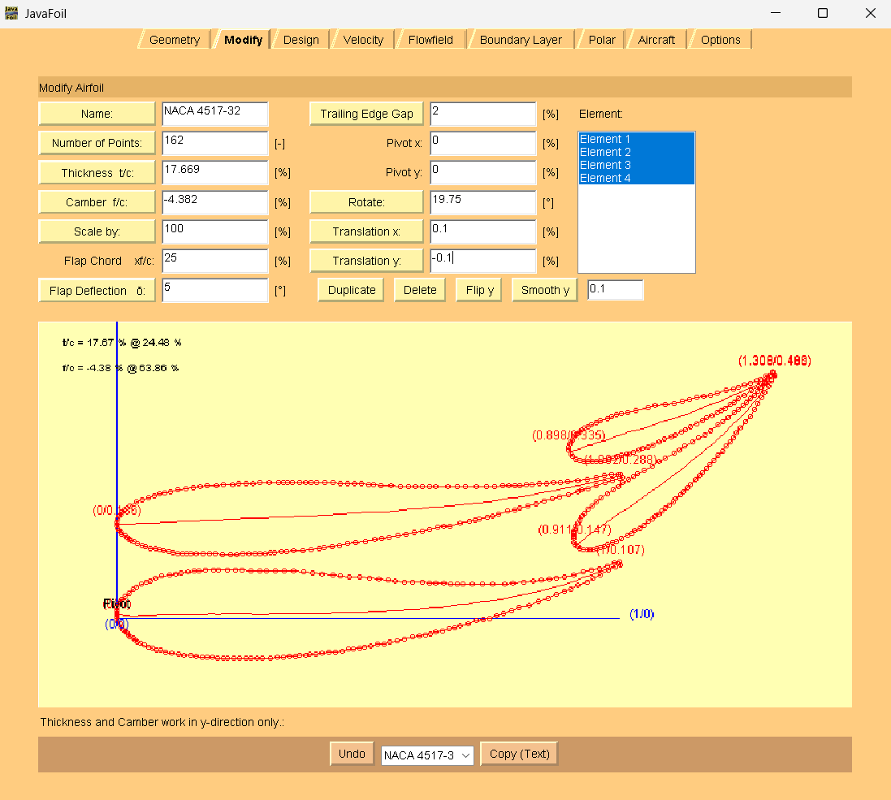
1.00024253 | 0.10710422 | points adjusted so LE of center section of first element is at 0,0
0.99848506 | 0.11412797
0.98969772 | 0.11058212
0.97388049 | 0.10525408
0.95806327 | 0.09992603
0.94224605 | 0.09635547
0.92642882 | 0.09278491
0.90885413 | 0.08745069
0.88952197 | 0.08386778
0.87370474 | 0.08029722
0.85964499 | 0.07849032
0.84382777 | 0.07667724
0.82801055 | 0.07486416
0.80867838 | 0.07303872
0.78758875 | 0.07120711
0.77001406 | 0.06938786
0.74716696 | 0.06930755
0.72607733 | 0.06923342
0.70674517 | 0.06916547
0.68917047 | 0.0691037
0.67686819 | 0.06906045
0.66456591 | 0.06901721
0.65050615 | 0.07072527
0.63468893 | 0.07066968
0.62238664 | 0.07062643
0.60656942 | 0.07232832
0.58723726 | 0.07401785
0.57142004 | 0.07396225
0.55384534 | 0.07565796
0.53802812 | 0.07735985
0.52045343 | 0.07905555
0.50287874 | 0.08075126
0.4817891 | 0.08243461
0.46245694 | 0.08412414
0.44312478 | 0.08581367
0.42906503 | 0.08752173
0.4079754 | 0.08920509
0.3904007 | 0.09090079
0.37106854 | 0.09259032
0.35173638 | 0.09427985
0.33240422 | 0.09596938
0.31482952 | 0.09590761
0.29725483 | 0.09584583
0.28495255 | 0.09580259
0.26737786 | 0.09574082
0.24804569 | 0.09743035
0.23574341 | 0.09738711
0.21992619 | 0.09733151
0.20235149 | 0.09726973
0.19180668 | 0.09723267
0.17598945 | 0.09717707
0.16368717 | 0.09537635
0.15314236 | 0.09533928
0.14084007 | 0.09353856
0.12678032 | 0.09173166
0.1162355 | 0.08993711
0.10569069 | 0.08814257
0.08811599 | 0.08456583
0.07757118 | 0.0810138
0.06702636 | 0.07570429
0.05823902 | 0.07215844
0.0476942 | 0.06860641
0.03890685 | 0.06330308
0.03187698 | 0.05800592
0.0248471 | 0.05095129
0.01605975 | 0.04389047
0.01078735 | 0.0385995
0.00551494 | 0.035066
0.002 | 0.02802372
0.00024253 | 0.0227451
0.00024253 | 0.01747265
0.00024253 | 0.01395769
0.00024253 | 0.01044272
0.00024253 | 0.00517028
0.00024253 | -0.00010217
0.002 | -0.00536843
0.00551494 | -0.01062852
0.00902988 | -0.01588861
0.01254482 | -0.0211487
0.01605975 | -0.02465131
0.01957469 | -0.02815392
0.02308963 | -0.03165653
0.02660457 | -0.03515914
0.03187698 | -0.03865557
0.03539192 | -0.04215818
0.04066432 | -0.04565461
0.04593673 | -0.04915104
0.05472408 | -0.05263512
0.06351142 | -0.05611919
0.0705413 | -0.05785196
0.07932865 | -0.06133604
0.08635852 | -0.06306881
0.09690334 | -0.06654671
0.10920562 | -0.06826095
0.12326538 | -0.06996901
0.13381019 | -0.07168943
0.14786995 | -0.07339749
0.15841476 | -0.07511791
0.16895958 | -0.07683833
0.17950439 | -0.07680126
0.19004921 | -0.0767642
0.20059403 | -0.07848461
0.21113884 | -0.07844755
0.21992619 | -0.07841666
0.23222847 | -0.07837342
0.24453076 | -0.07833018
0.25683304 | -0.07828694
0.26737786 | -0.07824987
0.27792267 | -0.07821281
0.28846749 | -0.07817574
0.30428471 | -0.07812015
0.31834446 | -0.07631324
0.33064675 | -0.07627
0.34294903 | -0.07446928
0.35525132 | -0.07442604
0.36403866 | -0.07263767
0.37458348 | -0.0726006
0.38337083 | -0.07081223
0.39567311 | -0.07076899
0.4079754 | -0.06896827
0.42203515 | -0.06716137
0.43433743 | -0.06536064
0.44839719 | -0.06355374
0.46069947 | -0.05999554
0.47124429 | -0.05995847
0.4817891 | -0.05816392
0.49233392 | -0.05636938
0.5046362 | -0.05456865
0.51869596 | -0.05100427
0.53099824 | -0.04920355
0.54330053 | -0.04564534
0.55736028 | -0.04383844
0.57142004 | -0.04027406
0.58723726 | -0.0367035
0.60129701 | -0.0348966
0.6135993 | -0.03133839
0.62414411 | -0.02954384
0.63468893 | -0.02599182
0.64699121 | -0.02419109
0.6592935 | -0.02063289
0.67159578 | -0.01707468
0.6821406 | -0.01352265
0.69795782 | -0.00995209
0.71377504 | -0.00462405
0.7278348 | -0.00105967
0.74013708 | 0.00074106
0.75419684 | 0.00606292
0.76825659 | 0.01138478
0.78407381 | 0.01671283
0.79989104 | 0.02204087
0.8192232 | 0.02738127
0.83855536 | 0.03447914
0.85788752 | 0.04157702
0.87370474 | 0.04866255
0.88952197 | 0.05399059
0.90182425 | 0.05930628
0.91588401 | 0.06638562
0.9334587 | 0.07347732
0.94576098 | 0.08055049
0.96157821 | 0.08763602
0.97739543 | 0.09647902
0.99145518 | 0.10355837
999.9 | 999.9
1.002 | 0.28813101
0.99672759 | 0.286355
0.98266784 | 0.28630558
0.96860808 | 0.28449868
0.95279086 | 0.28092812
0.9334587 | 0.2773452
0.91588401 | 0.27552595
0.89655184 | 0.27370051
0.88249209 | 0.27189361
0.86843234 | 0.27008671
0.85437258 | 0.26827981
0.84031283 | 0.26823039
0.82625308 | 0.26642349
0.81395079 | 0.26638025
0.80164851 | 0.26457952
0.79110369 | 0.26454246
0.77880141 | 0.26449921
0.76649912 | 0.26445597
0.7506819 | 0.26264289
0.73486467 | 0.2625873
0.71377504 | 0.26251317
0.69268541 | 0.26243904
0.67686819 | 0.26238344
0.65753603 | 0.26231549
0.63293146 | 0.26398649
0.62062917 | 0.26394325
0.60832689 | 0.2639
0.59426713 | 0.26385058
0.57844991 | 0.26379499
0.56263269 | 0.26373939
0.545058 | 0.2654351
0.52572584 | 0.26536714
0.50990861 | 0.26706903
0.50112126 | 0.26703814
0.48706151 | 0.2687462
0.47300176 | 0.26869679
0.45718453 | 0.26864119
0.44488225 | 0.26859795
0.42906503 | 0.27029983
0.4132478 | 0.27024423
0.39743058 | 0.27018864
0.3851283 | 0.27014539
0.37458348 | 0.27010833
0.36228119 | 0.27182257
0.34997891 | 0.27177933
0.33943409 | 0.27174226
0.33064675 | 0.27171138
0.32010193 | 0.27167431
0.30252724 | 0.27161254
0.28495255 | 0.27155076
0.27089279 | 0.26974386
0.25683304 | 0.26969444
0.24277329 | 0.26964502
0.230471 | 0.2678443
0.21113884 | 0.26777635
0.19707909 | 0.26596945
0.17950439 | 0.26415019
0.16544464 | 0.26234329
0.15138489 | 0.26053639
0.13732513 | 0.25872949
0.12150791 | 0.25691641
0.10744816 | 0.25335202
0.09514587 | 0.2515513
0.08460105 | 0.24799927
0.07405624 | 0.24444725
0.06175395 | 0.24088904
0.05120914 | 0.23733701
0.03890685 | 0.23202132
0.02660457 | 0.22494816
0.01957469 | 0.219651
0.01430228 | 0.2161175
0.01078735 | 0.21259019
0.00727241 | 0.20906287
0.00375747 | 0.20377807
0.002 | 0.19849945
0.00024253 | 0.19322082
0.00024253 | 0.18970586
0.00024253 | 0.1861909
0.002 | 0.18092463
0.00375747 | 0.17565836
0.00727241 | 0.17215575
0.01078735 | 0.16865314
0.01605975 | 0.16515671
0.01957469 | 0.1616541
0.0248471 | 0.15815767
0.02836204 | 0.15641255
0.03363445 | 0.15291611
0.04066432 | 0.14942586
0.04945167 | 0.14594178
0.05648155 | 0.14420901
0.06702636 | 0.14073111
0.07757118 | 0.1390107
0.08460105 | 0.13727792
0.0933884 | 0.13555133
0.10217575 | 0.13382474
0.11096309 | 0.13209814
0.12150791 | 0.13037772
0.13205272 | 0.13041479
0.1390826 | 0.1304395
0.14786995 | 0.13047039
0.15841476 | 0.12874997
0.17071705 | 0.12879321
0.18301933 | 0.12883645
0.19532162 | 0.12887969
0.20938137 | 0.12717163
0.22695606 | 0.12723341
0.23750088 | 0.12727047
0.24980316 | 0.1290712
0.26210545 | 0.12911444
0.27440773 | 0.12915768
0.28495255 | 0.12919475
0.2937399 | 0.12922563
0.30428471 | 0.13102018
0.31307206 | 0.13105106
0.32713181 | 0.13285797
0.33767663 | 0.13465251
0.35173638 | 0.13470193
0.36931107 | 0.13652119
0.3851283 | 0.13833427
0.40094552 | 0.14014735
0.41149033 | 0.14194189
0.42730756 | 0.14375497
0.44136731 | 0.14556187
0.45718453 | 0.14913243
0.47475923 | 0.15095169
0.49409139 | 0.1545346
0.51166608 | 0.15811134
0.5274833 | 0.15992442
0.54154306 | 0.16173132
0.55911775 | 0.16530806
0.57493497 | 0.16887862
0.5907522 | 0.17244918
0.60832689 | 0.17426844
0.62238664 | 0.17783282
0.63820387 | 0.18140338
0.65050615 | 0.1832041
0.66280844 | 0.18500483
0.6821406 | 0.19034522
0.69971529 | 0.19392196
0.71201757 | 0.19572269
0.72080492 | 0.19926854
0.73662214 | 0.2028391
0.74716696 | 0.20463364
0.75946924 | 0.20819185
0.77704394 | 0.21352607
0.79110369 | 0.21709045
0.80164851 | 0.22064248
0.81746573 | 0.22421304
0.83328295 | 0.22954108
0.84910018 | 0.23486912
0.8649174 | 0.23843968
0.88073462 | 0.24376773
0.89830931 | 0.24734446
0.91588401 | 0.25267868
0.92467135 | 0.25622453
0.93697364 | 0.25978274
0.95279086 | 0.26511078
0.97036555 | 0.270445
0.98442531 | 0.27576687
0.99848506 | 0.27933125
1.00551494 | 0.28111344
999.9 | 999.9
1.30779965 | 0.48604384
1.30428471 | 0.48954645
1.2990123 | 0.48425547
1.2937399 | 0.47720701
1.28671002 | 0.46839489
1.27968014 | 0.46134025
1.27440773 | 0.45253431
1.26737786 | 0.44547968
1.26034798 | 0.43842504
1.25156063 | 0.43136423
1.24453076 | 0.42430959
1.23574341 | 0.41724878
1.22695606 | 0.41018796
1.21465378 | 0.40135731
1.20586643 | 0.39253902
1.19532162 | 0.38547203
1.18126186 | 0.37487771
1.16895958 | 0.36604706
1.15665729 | 0.3589739
1.14435501 | 0.35190073
1.12853779 | 0.34305772
1.11799297 | 0.33599073
1.10744815 | 0.32892374
1.08987346 | 0.32007456
1.07757118 | 0.31300139
1.06351142 | 0.30416456
1.0476942 | 0.29532155
1.03539192 | 0.28824838
1.02660457 | 0.28294505
1.01781722 | 0.27764172
1.00551494 | 0.27056855
0.99672759 | 0.26350774
0.98618278 | 0.25644074
0.97388049 | 0.24936758
0.96333568 | 0.2405431
0.95279086 | 0.23347611
0.94400352 | 0.22465782
0.93697364 | 0.21760318
0.92994376 | 0.21054854
0.92467135 | 0.20525757
0.91939895 | 0.19645162
0.91588401 | 0.18940934
0.91236907 | 0.18412454
0.9106116 | 0.17884592
0.90885413 | 0.1735673
0.90885413 | 0.17005233
0.90885413 | 0.16477989
0.90885413 | 0.15950744
0.90885413 | 0.15247752
0.9106116 | 0.14721125
0.91588401 | 0.14371482
0.92115642 | 0.14021839
0.92642882 | 0.13847944
0.9334587 | 0.13850415
0.94048858 | 0.13852886
0.94751845 | 0.13855357
0.95454833 | 0.14033576
0.96157821 | 0.14211795
0.96860808 | 0.14390014
0.97563796 | 0.14743981
0.98442531 | 0.15098566
0.99321265 | 0.15453152
1.00375747 | 0.15984102
1.01430229 | 0.16515054
1.02308963 | 0.17045387
1.03011951 | 0.17575102
1.03890685 | 0.18105435
1.0476942 | 0.18635769
1.05648155 | 0.1934185
1.06351142 | 0.19871566
1.0705413 | 0.20401281
1.07757118 | 0.20930997
1.08460105 | 0.21460712
1.08987346 | 0.2198981
1.09866081 | 0.22695891
1.10569068 | 0.23225607
1.11096309 | 0.23930453
1.11975044 | 0.24636534
1.12678032 | 0.25341998
1.13381019 | 0.26047461
1.14084007 | 0.26752925
1.14962742 | 0.27634755
1.15841476 | 0.28516584
1.16544464 | 0.29222048
1.17247452 | 0.29927511
1.17950439 | 0.30808723
1.18653427 | 0.31514187
1.19532162 | 0.32571765
1.20410896 | 0.33453594
1.21113884 | 0.34334806
1.21816872 | 0.35216018
1.22519859 | 0.3609723
1.230471 | 0.36977824
1.23925835 | 0.38035402
1.24980316 | 0.39269345
1.25859051 | 0.40326923
1.26737786 | 0.41560249
1.27440773 | 0.42792957
1.28143761 | 0.44025665
1.28846749 | 0.45082625
1.29549736 | 0.46315333
1.30076977 | 0.47371676
999.9 | 999.9
1.30779965 | 0.48252888
1.30428471 | 0.49130393
1.29725483 | 0.48600677
1.29022496 | 0.4824671
1.27968014 | 0.47715759
1.27089279 | 0.47361174
1.25859051 | 0.46829605
1.24804569 | 0.46474402
1.23574341 | 0.46118582
1.22519859 | 0.45763379
1.21113884 | 0.45406941
1.19356415 | 0.44873519
1.18126186 | 0.44517698
1.16720211 | 0.44337008
1.15314235 | 0.4398057
1.13732513 | 0.43623514
1.12326538 | 0.43267076
1.10744815 | 0.4291002
1.08987346 | 0.42728094
1.0705413 | 0.42369802
1.05648155 | 0.42013364
1.03187698 | 0.41477471
1.01430229 | 0.41119797
1.00375747 | 0.40940343
0.99321265 | 0.4058514
0.98266784 | 0.40229937
0.97388049 | 0.39875352
0.96157821 | 0.39343783
0.95279086 | 0.38989198
0.94224605 | 0.38633995
0.93697364 | 0.38280646
0.92994376 | 0.37926679
0.92467135 | 0.37573329
0.92115642 | 0.37220597
0.91588401 | 0.36867248
0.91236907 | 0.36514516
0.90885413 | 0.36161784
0.90533919 | 0.35633304
0.90182425 | 0.35280572
0.90006678 | 0.3475271
0.89830931 | 0.34224848
0.89830931 | 0.33521855
0.90182425 | 0.32820098
0.90533919 | 0.32294089
0.91236907 | 0.31769315
0.91939895 | 0.31596038
0.92818629 | 0.31423379
0.93697364 | 0.31426467
0.94400352 | 0.31428938
0.95279086 | 0.31432027
0.96157821 | 0.31435116
0.97036555 | 0.31613953
0.9791529 | 0.31792789
0.98618278 | 0.31971009
0.99497012 | 0.32325594
1.00375747 | 0.32504431
1.01254482 | 0.32683267
1.01957469 | 0.32861487
1.02660457 | 0.33215454
1.03714938 | 0.33570657
1.04593673 | 0.33925242
1.05472408 | 0.34104079
1.06526889 | 0.3463503
1.07757118 | 0.35166598
1.08811599 | 0.35697549
1.10217575 | 0.36229736
1.11096309 | 0.36584321
1.12150791 | 0.37115272
1.13029526 | 0.37645605
1.14084007 | 0.38176556
1.15138489 | 0.38883255
1.16368717 | 0.39414824
1.17247452 | 0.39945157
1.18301933 | 0.40476108
1.19180668 | 0.41006441
1.20059403 | 0.41361026
1.20938137 | 0.4189136
1.21816872 | 0.42597441
1.22695606 | 0.43127774
1.23574341 | 0.43833856
1.24804569 | 0.44541173
1.26210545 | 0.45424855
1.2761652 | 0.46308538
1.28671002 | 0.47015237
1.2937399 | 0.47369205
1.30076977 | 0.47723172

